Sheet1
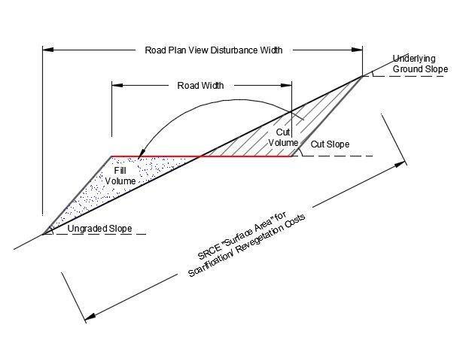
 | Summary
 |  | Total road disturbance is | . | acres.
 |  | Total drill pad disturbance is | . | acres.
 |  | Total plan view disturbance is | 0.00 | acres.

 | Description | ID Code | Underlying Ground Slope | Ungraded Slope | Cut Slope | Road + Drill Pad Length | Road Width | Number of Drill Pads | Individual Sump Volume | Drill Pad Width | Drill Pad Length | Grading Fleet | Slope Replacement Percent
-1 |  |  | % grade | _H:1V | degrees | ft | ft |  | cy | ft | ft |  | %
0
1
2
3
4
5
6
7
8
9
10
11
12
13
14

 | Notes:

 | Calculation

 | Description | ID Code | Ungraded Slope | Cut Slope | Road Plan View Width | Road Net Length | Road Disturbance | Drill Pad Plan View Width | Drill Pad Length | Drill Pad Disturbance
-1 |  |  | _H:1V | degrees | (ft) | (ft) | (acres) | (ft) | (ft) | (acres)
0
1
2
3
4
5
6
7
8
9
10
11
12
13
14

